Application Screen
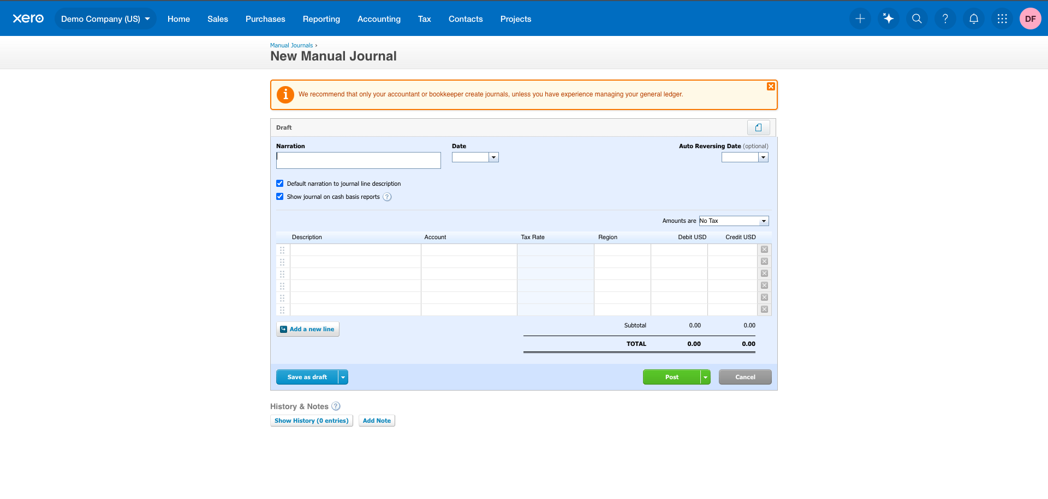

Test Case 18
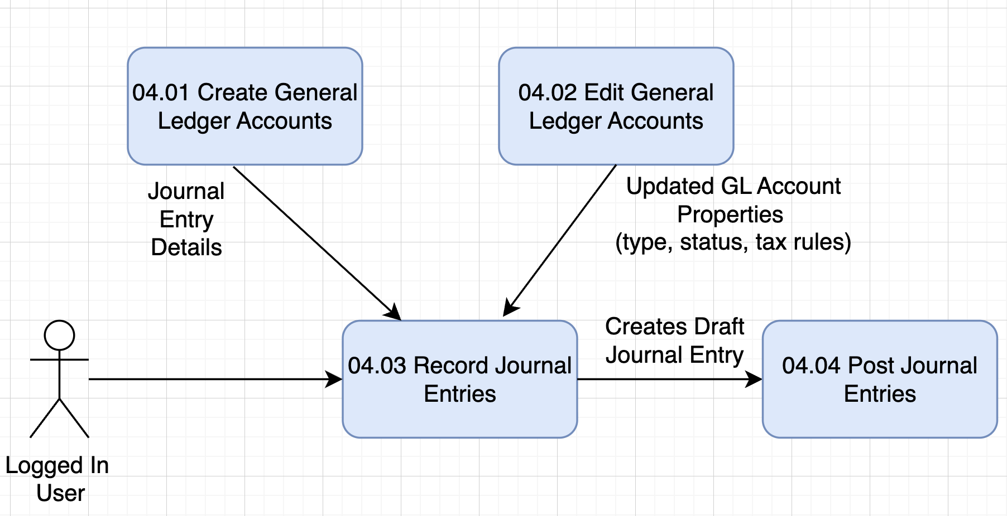
TC Title: | TC18. Record Journal Entries – Data Flow-In Validation (DF-In)

TC Objective: | To validate that data flowing into the Manual Journal Entry form—from upstream Xero data sources such as the Chart of Accounts, Tax Rates, Tracking Categories, and System Defaults—is correctly retrieved and displayed on the New Journal screen.

Test Data (optional): | At least one active account (e.g., "400 – Sales")
 | One inactive account for negative testing
 | Tax rates available in the tenant (e.g., "Tax Exempt", "GST on Income")
 | Tracking category (e.g., Region: “North”, “South”)

TC Description
 | Step | Step Description | Expected Results
 | 1 | Log in as Advisor role. | Dashboard displays successfully.
 | 2 | Navigate to Accounting → Manual Journals. | Manual Journals list appears.
 | 3 | Click New Journal. | New Journal screen opens.
 | 4 | Click the Account dropdown on Line 1. | Dropdown retrieves and displays account list from Chart of Accounts. Only active accounts appear.
 | 5 | Search for a known active account name (e.g., “Sales”). | Active account appears in results.
 | 6 | Search for a known inactive account. | Inactive account does not appear in the dropdown search results.
 | 7 | Click the Tax Rate dropdown on Line 1. | Dropdown retrieves tax rates defined in Tax Rate Settings; all valid tax rates appear.
 | 8 | Select a tracking field (e.g., Region) and click the dropdown. | Tracking categories flow in correctly; all available category values appear.
 | 9 | Observe the Narration and Date fields. | Default date auto-populates based on system date; no data loss occurs.
 | 10 | Observe the Amounts Are dropdown. | Default value (e.g., "Tax Exclusive") is populated based on organizational default settings.
 | 11 | Enter partial data into the journal (one or more lines). | System accepts input without errors; no data mismatch in dropdown fields.
 | 12 | Save the journal as a Draft. | Journal saves successfully with all selected Account, Tax Rate, and Tracking values preserved.
 | 13 | Reopen the saved Draft. | All DF-In values (Account, Tax Rate, Tracking Categories, Defaults) appear exactly as selected—no corruption or missing data.

